IPI DRB Minutes
 |  | IBIDEN PHILIPPINES, INC. |  |  |  |  |  |  |  |  |  |  |  |  |  |  |  |  |  | DRB/MRB No. : |  | D-BE-20-02-001
 |  | DRB/MRB REPORT MINUTES |  |  |  |  |  |  |  |  |  |  |  |  |  |  |  |  |  | RFC No. : |  | 31-0220-0001

Theme: |  |  | Warpage Under rejection at LCI2
Meeting Date : |  |  | 3-Feb-20 |  |  |  |  |  |  |  |  |  |  |  | Originated by : |  |  |  | Maribel Awa/FVI
Meeting Time: |  |  | 1430H-1600H/ 1700H-1915H |  |  |  |  |  |  |  |  |  |  |  |  |  |  |  |  | Name /Block
Meeting Place: |  |  | FVI Meeting area |  |  |  |  |  |  |  |  |  |  |  | Approved by : |  |  |  | Beth Fruelda
Chairman: |  |  | Elizabeth Fruelda |  |  |  |  |  |  |  |  |  |  |  |  |  |  |  | Originator ASM/SM/DGM/GM
Block: |  |  | FVI
Attendees : |  |  | Manufacturing |  |  | Engineering/NPD |  |  | Facilities/EE |  |  |  |  | QA/QC |  |  |  |  | PPIC/CSE |  |  |  | Other
 |  |  | Bhel/Beth/Ana |  |  | Datu |  |  |  | n/a |  |  |  | Jake |  |  |  |  | Janette/Connie
 |  |  | Apple/Makino |  |  | Taniguchi San |  |  |  |  |  |  |  | Cha |  |  |  |  | Joy/Ghie
 |  |  |  |  |  | James |  |  |  |  |  |  |  |  |  |  |  |  | Soda San/Nakamura San

Attendees : |  |  | Manufacturing |  |  | Engineering/NPD |  |  | Facilities/EE |  |  |  |  | QA/QC |  |  |  |  | PPIC/CSE |  |  |  | Other
4-Feb-20 |  |  | Beth.Bhel/Apple |  |  | Datu/Janice |  |  |  |  |  |  |  | Jake |  |  |  |  | Gie/ Connie san
1330H-1400H |  |  | Makino san |  |  | Taniguchi san |  |  |  |  |  |  |  |  |  |  |  |  | Soda san

Attendees : |  |  | Manufacturing |  |  | Engineering/NPD |  |  | Facilities/EE |  |  |  |  | QA/QC |  |  |  |  | PPIC/CSE |  |  |  | Other
5-Feb-20 |  |  | Beth.Bhel |  |  | Datu/Janice |  |  |  |  |  |  |  | Jake H |  |  |  |  | Gie/ Connie san
1530H-1615H |  |  | Makino san |  |  | Taniguchi san |  |  |  |  |  |  |  | Mhae B |  |  |  |  | Soda san
 |  |  |  |  |  | Joey Dt |  |  |  |  |  |  |  | Ron B |  |  |  |  | Janet
 |  |  |  |  |  | Mark S

<1>PROBLEM STATEMENT : (Put another sheet if multiple lots was discovered affected)
DEFECT ISSUE: |  |  | Warpage Under rejection at LCI2 |  | # | PRODUCT/MODEL AFFECTED |  |  | PRODUCT FAMILY |  |  | LEDGER NO. |  | PRODUCT SIZE |  | LOT NUMBER |  |  | AFFECTEDLAYER |  | AFFECTED PANEL |  | AFFECTED UNIT OR IF PERCENTAGE
DATE/TIME OCCURRED: |  |  | Feb-03-20 |  | 1 | CS Cannonlake PCH |  |  | BGA15 |  |  | 00927-00 |  | 25x24 |  |  |  |  | N/A |  | N/A |  | 721
PROCESS DETECTED: |  |  | LCI |  | 2 | IPI RV1 FP5 UTC R1 |  |  | AMD |  |  | 021-2970 |  | 25x35 |  |  |  |  | N/A |  | N/A |  | 0
PROCESS AFFECTED: |  |  | LCI |  | 3 | IPI Kaby Lake U 2+2 BGA |  |  | BGA14 |  |  | 022-4170 |  | 42x24 |  |  |  |  | N/A |  | N/A |  | 53
# OF AFFECTED LOTS : |  |  | 64 |  | 4 | IPI CometLake BGA 8+2 |  |  | BGA14 |  |  | 021-9479 |  | 28x42 |  |  |  |  | N/A |  | N/A |  | 0
WHO DETECTED: |  |  | LCI SO / SL |  | 5 | CS Comet Lake PCH |  |  | BGA15 |  |  | 021-7689 |  | 25x24 |  |  |  |  | N/A |  | N/A |  | 0
 |  |  |  |  | 6 | IPI Kaby Lake U42 Refresh |  |  | BGA14 |  |  | 020-7357 |  | 42x24 |  |  |  |  | N/A |  | N/A |  | 27
SEE SEPARATE SHEET FOR THE COMPLETE LOT LIST

WHAT IS THE PROBLEM DIFFERENCE FROM NORMAL TO ABNORMAL SITUATION? CHANGING POINT? DISCUSS THE FLOW. (Indicate 5W and 1H)

loading
Inspection
machine NG?
NO
Unload on Good tray
-Outgoing activity
-macro
-ES
FVI

YES
Put on NG conveyor
Observed that there was Zero defect on CNL PCH lots processed
Piece Out

THE AGENDA ITEM IS RECURRENCE? |  |  |  | RECURRENCE |  |  | NEW |  |  |  | Recurrence Definition |  |  |  | 1. Rootcause is clear happened in same MC and parts 2. Rootcause is not clear but same issue 3. The Action was not proliferated to other process and machine but it was discussed during the meeting
THE AGENDA ITEM IS ESCAPEE? |  |  |  | YES |  |  | NO
PROBLEM CATEGORY |  |  | MAN |  | MACHINE |  |  | METHOD |  |  | MATERIAL |  |  | MEASUREMENT |  |  |  | ENVIRONMENT |  |  |  | OTHERS
DRB CLOSING RANK |  |  | RANK 1 |  | RANK 2 |  |  | RANK 3 |  |  | RANK 4 |  |  | RANK 5 |  |  |  | OTHERS

<2> INVESTIGATION/IDENTIFICATION OF AFFECTED AREA, SITUATION (Define the phenomenon, mode and tendency occurrence,Etc.)
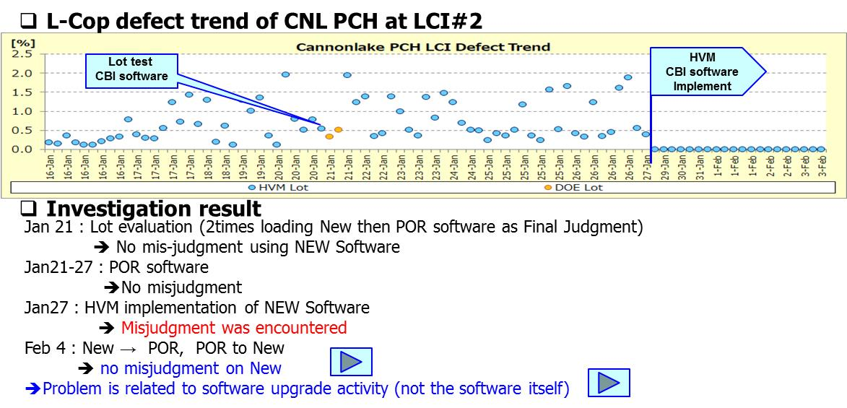
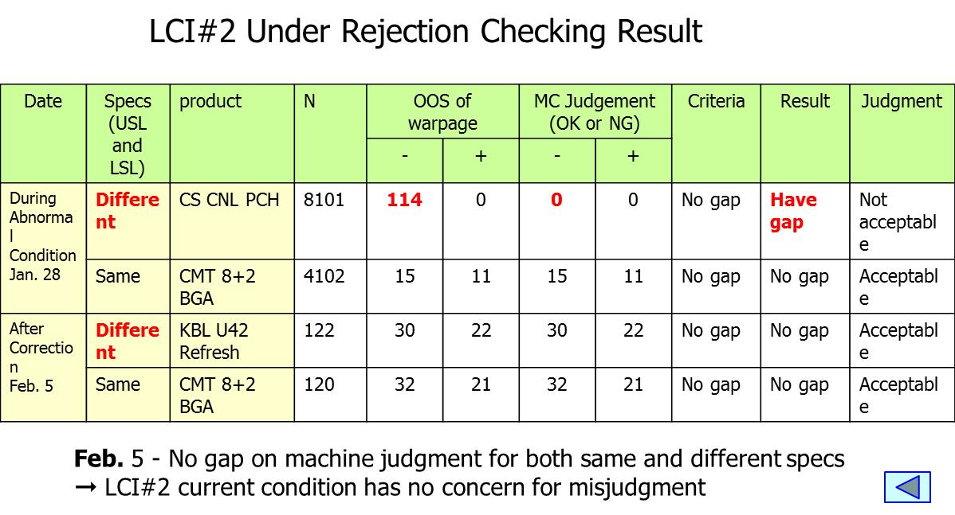

<3> CONTAINMENT ACTION (Note: Do not disable the interlock system when doing the action) |  |  |  |  |  |  |  |  |  |  |  |  |  |  |  |  |  |  | Completion Date |  |  | Status

1.Stop using LCI#2 until determine root cause |  |  |  |  |  |  |  |  |  |  |  |  |  |  |  | MFG Bhel/Beth |  |  | ww06.3 |  |  | proceed with HVM as approved by Intel, provided that MCA/Correlation was good

<4> DISPOSITION OF AFFECTED LOT AND RISK ASSESSMENT

Assessment Item (# of sample/Method) |  |  |  | Responsible Name / Block |  |  | Completion Date |  |  | Assessment Result (No Good/TTL QTY) |  |  |  |  |  | Remarks |  |  | Final Disposition
1. Conduct 100% Re-Screening for Products with Different Upper vs. Lower Specs value. |  |  |  | Mfg Beth
KBL U22 BGA -4L |  |  |  | Mfg Beth |  |  | 2020-02-07 |  |  | 53 units No good |  |  |  |  |  |  |  |  |  | Proceed |  | Qty : ______________________________
KBL Refresh-4L |  |  |  | Mfg Beth |  |  | 2020-02-07 |  |  | 27 units No good |  |  |  |  |  |  |  |  |  | Piece Out |  | Qty : 801 Pnl #: ________________
CNL PCH - 20L |  |  |  | Mfg Beth |  |  | 2020-02-10 |  |  | 721units No good |  |  |  |  |  |  |  |  |  | Sheet Out |  | Qty : ______________________________
2. Proceed shipment for products with Same Upper and Lower Specs |  |  |  | Mfg Beth |  |  | 2020-02-07 |  |  | N/A |  |  |  |  |  |  |  |  |  | Lot Out |  | Qty : ______________________________
 |  |  |  |  |  |  |  |  |  |  |  |  |  |  |  |  |  |  |  | SDR
Risk Assessment Category |  |  |  |  |  |  |  |  |  |  | Remarks
 |  | Low |  | Medium |  |  |  | High |  |  | ________________________

<5>ACTION REQUIRED (Note: Do not disable the interlock system when doing the action)

Action Request |  |  |  |  |  |  |  |  |  | Responsible Name / Block |  |  |  |  |  | Completion Date |  |  | Detail Results
2020-02-03
1. Reprocess all CNL PCH and KBL U42 Refresh KBL U22 BGA ( wrong limit used ) |  |  |  |  |  |  |  |  |  | MFG Bhel/Beth |  |  |  |  |  | from ww6.3 onwards |  |  | Limit for KBL U22 BGA is 0 to -212 machine setting Priority: 1.KBL U22 BGA-->10/24L ( finished at LCI1 and 2) 2.KBL Refresh --> 4/4L 3.KBL U22--14/24L 4.CNL PCH-->20/20L
2. Check all data at LCI a. CML PCH (VET: 12.82D-18.65D) b. CML BGA 82 (VET: 2.11D-4.58D) c. KBL U22 d. RV1 NOTE: Include VET and prioritize |  |  |  |  |  |  |  |  |  | Eng'g Datu/Taniguchi San |  |  |  |  |  | ww06.2, 1200H |  |  | ww6.2:Discussed History of activities at LCI2 term1 -Jan21 Lot Test -Jan21 Term2 -Jan 21~27 Term3- Jan 27 Based on therms, 2/7 ( CNL PCH & KBL U42 R )product check has underrejection.Affected products has different (+) and (-) limit
3. Inform Intel for 4L RTV; Land copla Issue possible OOS warpage and shipment delay |  |  |  |  |  |  |  |  |  | CSE Ghie |  |  |  |  |  | ww06.1 |  |  | ww06.1: done- sent info
4. Follow up DRB after LRD approval for 3 products |  |  |  |  |  |  |  |  |  | ALL |  |  |  |  |  | ww06.2, 1315H |  |  | ww06.2: for follow up, open item on RC investigation ww06.3: done on discussion,RC still open
5. Return to POR software but need to check if theres occurrence of Over/Under rejection |  |  |  |  |  |  |  |  |  | Eng'g Datu/Madel |  |  |  |  |  | ww06.2, 1200H recommit: ww06.3, 1200H |  |  | ww6.3: Use New software, no need to change

2020-02-04
1.Investigate what happened between term 2 and term3 for CNL PCH processing |  |  |  |  |  |  |  |  |  | Eng'g Datu/Janice |  |  |  |  |  | ww06.4 |  |  | ww6.2:abnormality occur after CBI enabling last Jan 27
2.During discussion with Intel, confirm if need to RTV 3L of CML PCH |  |  |  |  |  |  |  |  |  | Eng'g Datu |  |  |  |  |  | ww06.2, 1700H |  |  | ww06.3: only 1L CNL PCH will be RTV
3. Shipment impact and recovery plan by PPIC |  |  |  |  |  |  |  |  |  | PPIC Connie |  |  |  |  |  | ww06.2, 1700H |  |  | continuous assessment

2020-02-05
1. All lots reprocessed should have LCI data result to be discussed to Intel |  |  |  |  |  |  |  |  |  | Engg Jha |  |  |  |  |  | from ww06.3 |  |  | Done
2. Provide the lot list re-processed including remaining VET ( Prioritize 10L KBL U22 for LRD approval ) |  |  |  |  |  |  |  |  |  | Mfg Beth |  |  |  |  |  | from ww06.3 |  |  | Done
3. LCI #1 to process fresh lots while LCI#2 for re-processing except for AMD product |  |  |  |  |  |  |  |  |  | Mfg Beth |  |  |  |  |  | from ww06.3 |  |  | Done
4. Offhold lots not for re-screen ( CML PCH, CML BGA 82, RV1) |  |  |  |  |  |  |  |  |  | QC Jake |  |  |  |  |  | ww06.3 |  |  | Done Offholded
5. Verify result of data at Macro and Hybrid for all lots processed ( if failed units will reflect ) |  |  |  |  |  |  |  |  |  | Mfg Beth QA- SPC |  |  |  |  |  | ww06.3 |  |  | Done, No gap
6. Verify specs at Macro template |  |  |  |  |  |  |  |  |  | Engg Jha |  |  |  |  |  | ww06.3 |  |  | Done, corrected

<6> ROOTCAUSE GENERATION/ANALYSIS <WHY ANALYSIS by 5M1E, DESIGN AND CAPABILITY>

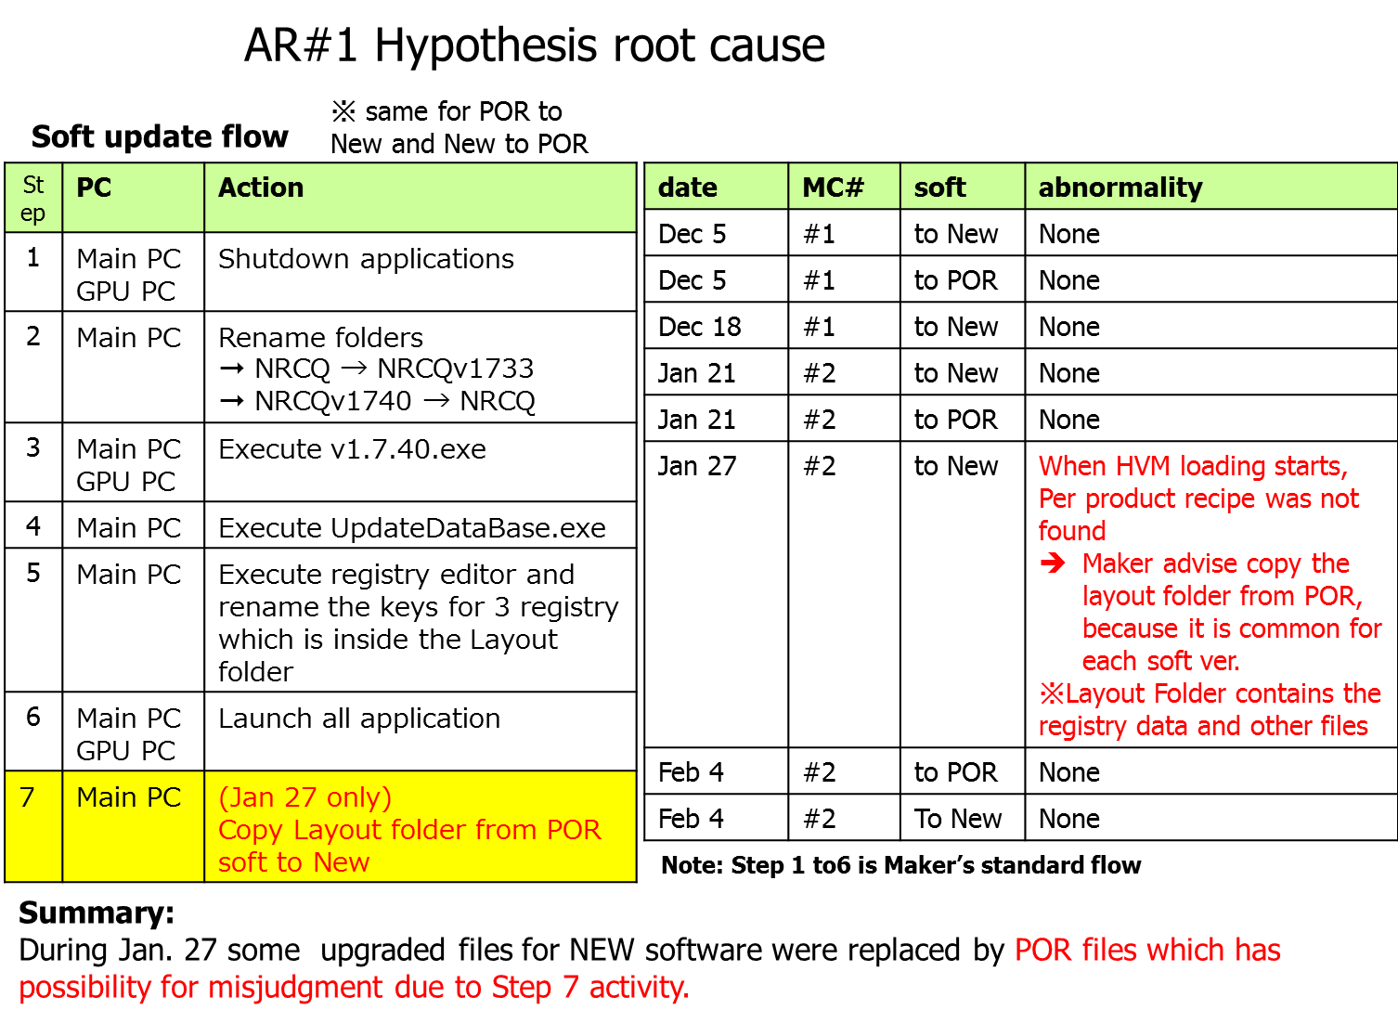
 | 1. FACTOR GAP ANALYSIS
 | Problem/Issue |  | Gap Type |  | 1st why |  |  |  | 2nd why |  |  |  |  |  | 3rd why |  |  |  |  |  | 4th why |  |  | 5th why
 | LCI#2 misjudgment |  | Technical |  | some upgraded files for NEW software were replaced by POR files |  |  |  | not following the initial flow provided by Maker due to abnormality encountered

 |  |  | Systemic
 |  |  | Detection
 | 2. FINAL ROOT CAUSE and MECHANISM OF AFFECTED ISSUE

<7> CORRECTIVE ACTION |  |  |  |  |  |  |  |  |  |  |  |  | Responsible |  |  |  | Completion Date |  |  | Status |  |  | Need CN & DR?
 |  |  |  |  |  |  |  |  |  |  |  |  | Name / Block |  |  |  |  |  |  |  |  |  | Yes | No

<8> PREVENTIVE ACTION |  |  |  |  |  |  |  |  |  |  |  |  | Responsible |  |  |  | Completion Date |  |  | Status |  |  | Need CN & DR?
 |  |  |  |  |  |  |  |  |  |  |  |  | Name / Block |  |  |  |  |  |  |  |  |  | Yes | No

<9> PROLIFERATION |  |  |  |  |  |  |  |  |  |  |  |  |  |  |  | Responsible |  |  | Completion |  |  | Status
 |  |  |  |  |  |  |  |  |  |  |  |  |  |  |  | Name / Sign |  |  | Date
Product |  | Block | Process/line |  | Machine |  | Proliferate Item
 |  |  |  |  |  |  | 1
 |  |  |  |  |  |  | 2
<10>AMOUNT OF LOSS . The total sum $587.91
Product |  |  |  |  | Unit Qty |  |  |  |  |  |  |  | Amount of Loss |  |  |  |  |  |  | Remarks
KBL U22 BGA -4L |  |  |  |  | 53 |  |  |  |  |  |  |  | $79.77
KBL Refresh-4L |  |  |  |  | 27 |  |  |  |  |  |  |  | $58.60
CNL PCH - 20L |  |  |  |  | 721 |  |  |  |  |  |  |  | $449.53
<11> CLOSING APPROVAL (The approver person in charge should put details of the validation and closing confirmation result)
The Validation activity |  |  |  |  |  |  |  |  |  |  |  |  |  |  |  |  | Closing Approver |  |  |  |  | Closing Date
 |  |  |  |  |  |  |  |  |  |  |  |  |  |  |  |  | Director Takahiro Mori

 |  |  |  |  |  |  |  |  |  |  |  |  |  |  |  |  |  |  |  |  |  |  |  |  | QA-SCAR-MRB-02-00-01 Rev. 11

